Dashboard
Characteristic-based Maturity Level assessment |  |  |  |  | Management of Content |  |  |  | Collaboration |  |  |  | Communication |  |  |  | Search
Deep Dive MM4M365 workshop tool for <Name of Organisation> | Assessment year | Content - Lifecycle Management | Content - Identification | Content - Presentation | Content - Storage | Collaboration - Governance & Security | Collaboration - Information Architecture | Collaboration - Content | Collaboration - Task Management | Communication - Governance & Security | Communication - Information Architecture | Communication - Content | Communication - Task Management | Search - Governance & Security | Search - Technology | Search - UX |  | Date of Assessment | Years organisation has been using Microsoft 365 | Number of staff in organisation
Rated on scale of 0 to 500 | 2021 | - | - | - | - | - | - | - | - | - | - | - | - | - | - | - | -
See reference sheet | 2022
 | 2023
 | Target | - | - | - | - | - | - | - | - | - | - | - | - | - | - | - | - | <Name of Organisation>
 | Gap | - | - | _ | _ | - | _ | _ | - | - | - | - | - | - | - | - | -
Maturity - trend over time
 | 2021 | 2022 | 2023 | Target
Content - Lifecycle Management | 0 |  |  | 0
Content - Identification | 0 |  |  | 0
Content - Presentation | 0 |  |  | 0
Content - Storage | 0 |  |  | 0
Collaboration - Governance & Security | 0 |  |  | 0
Collaboration - Information Architecture | 0 |  |  | 0
Collaboration - Content | 0 |  |  | 0
Collaboration - Task Management | 0 |  |  | 0
Communication - Governance & Security | 0 |  |  | 0
Communication - Information Architecture | 0 |  |  | 0
Communication - Content | 0 |  |  | 0
Communication - Task Management | 0 |  |  | 0
Search - Governance & Security | 0 |  |  | 0
Search - Technology | 0 |  |  | 0
Search - UX | 0 |  |  | 0
 | 0 |  |  | 0
Current Maturity - by group
 | Current Year | Target (Organisation) | <Group name 1>
Content - Lifecycle Management | 0 | 0
Content - Identification | 0 | 0
Content - Presentation | 0 | 0
Content - Storage | 0 | 0
Collaboration - Governance & Security | 0 | 0
Collaboration - Information Architecture | 0 | 0
Collaboration - Content | 0 | 0
Collaboration - Task Management | 0 | 0
Communication - Governance & Security | 0 | 0
Communication - Information Architecture | 0 | 0
Communication - Content | 0 | 0
Communication - Task Management | 0 | 0
Search - Governance & Security | 0 | 0
Search - Technology | 0 | 0
Search - UX | 0 | 0
 | 0 | 0
 |  |  |  |  |  |  |  |  |  | Lowest performers |  |  |  |  |  |  |  | Recommendations
 |  |  |  |  |  |  |  |  |  | Current year - 2021 |  |  | Comment

 |  |  |  |  |  |  |  |  |  | Highest Performers
 |  |  |  |  |  |  |  |  |  | Current year - 2021 |  |  | Comment

Gap analysis
Follow us on Twitter
@M365Maturity | @M365CommDocs


Take the Maturity Model Self-Assessment |  |  |  |  |  |  |  |  |  | Gap analysis implications |  |  |  |  |  |  |  | Summary
https://symp.info/MM4M365-SelfAssessment |  |  |  |  |  |  |  |  |  | Maturity Gap |  | Comment
 |  |  |  |  |  |  |  |  |  | 0 - 200 | Easy, with appropriate support and commitment
Fill out the Maturity Model Survey |  |  |  |  |  |  |  |  |  | 200 - 300 | Challenging, needs significant commitment and resource
https://symp.info/MM4M365Survey |  |  |  |  |  |  |  |  |  | 300 - 400 | Target is too high. Risks over-extension, underfunding & failure
 |  |  |  |  |  |  |  |  |  | 400 - 500 | Very dangerous, avoid this size step change
Discussions in Github
https://symp.info/MM4M365Discussion

Instructions and Notes
Instructions - Set up 1. Enter your organisation name in the Organisation field on the Data Capture worksheet. 2. Decide whether the assessment is for the company as a whole or for a team, department or process. Enter that in the Scope field. Decide which Competencies you are going to focus on 3. Decide who will be in each workshop group. Get them together to run the workshop.
Instructions - Running the workshop 1. Using the 'Maturity Model for M365 - Management of Content' competency document (link below), review the characteristics each sub-competency in turn starting at level 100 and working to higher levels once you have established whether you meet all or most of the characteristics at that level. Use question like "Do we mostly or completely do this in your team?". Stop when it is clear that they do not operate at a higher level. 2. Once all the characteristics for the sub-category have been reviewed by the group, help them reach consensus on a score (to the nearest multiple of 10) that they agree they are operating at. e.g. if everyone is happy they are over 200, but not at 300 then guide them to a mid value, such as 240 3. Enter this value in the Current Assessment column for that sub-competency on the Data Capture sheet 4. Now review the higher levels and help the group reach consensus on what the level is that the business should be operating at this time next year. This MUST be a multiple of 100 - no half way positions. 5. Enter that in the 12 month target column. 6. Continue until you have completed each sub-competencies. Repeat the process or run additional workshops for each Competency you wish to assess.
https://docs.microsoft.com/en-us/microsoft-365/community/

Note: It is often useful to run separate workshops with different groups in large departments. Having managers in one group and staff in another is often insightful.

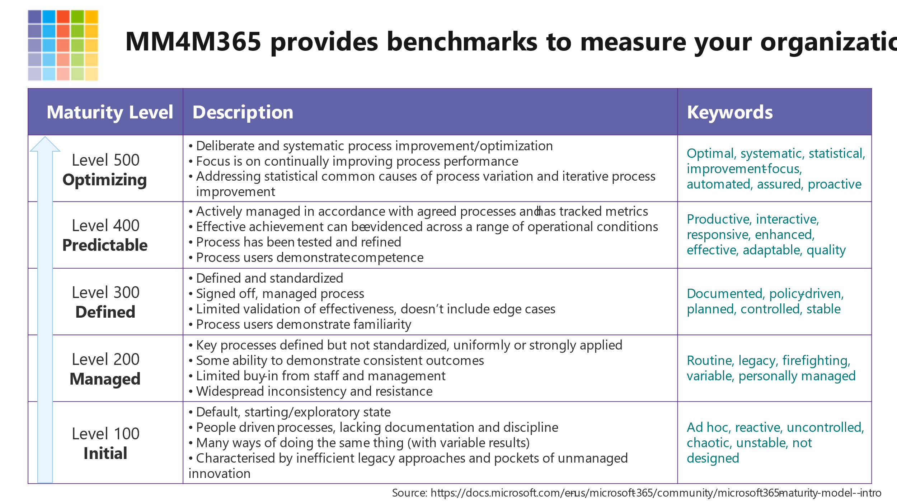
Capability Maturity Model
The original Capability Maturity Model defined a 5 point scale, representing the following levels: | A maturity model can be viewed as a set of structured levels that describe how well the behaviours, practices and processes of an organization can reliably and sustainably produce required outcomes. | A maturity model can be used as a benchmark for comparison and as an aid to understanding - for example, for comparative assessment of different organizations where there is something in common that can be used as a basis for comparison. In the case of the CMM, for example, the basis for comparison would be the organizations' software development processes.
1. Initial | The starting point for use of a new or undocumented repeat process. | (Typically) undocumented and in a state of dynamic change, tending to be driven in an ad hoc, uncontrolled and reactive manner by users or events. This provides a chaotic or unstable environment for the processes.
2. Repeatable | The process is at least documented sufficiently such that repeating the same steps may be attempted. | Some processes are repeatable, possibly with consistent results. Process discipline is unlikely to be rigorous, but where it exists it may help to ensure that existing processes are maintained during times of stress.
3. Defined | The process is defined/confirmed as a standard business process | There are sets of defined and documented standard processes established and subject to some degree of improvement over time. These standard processes are in place. The processes may not have been systematically or repeatedly used - sufficient for the users to become competent or the process to be validated in a range of situations. This could be considered a developmental stage - with use in a wider range of conditions and user competence development the process can develop to next level of maturity.
4. Managed (Capable) | The process is quantitatively managed in accordance with agreed-upon metrics. | Effective achievement of the process objectives can be evidenced (using metrics) across a range of operational conditions. The suitability of the process in multiple environments has been tested and the process refined and adapted. Process users have experienced the process in multiple and varied conditions, and are able to demonstrate competence. The process maturity enables adaptions to particular projects without measurable losses of quality or deviations from specifications. Process Capability is established from this level.
5. Optimizing (Efficient) | Process management includes deliberate process optimization/improvement. | The focus is on continually improving process performance through both incremental and innovative technological changes/improvements. At maturity level 5, processes are concerned with addressing statistical common causes of process variation and changing the process (for example, to shift the mean of the process performance) to improve process performance. This would be done at the same time as maintaining the likelihood of achieving the established quantitative process-improvement objectives.

